Sheet1
 | GL CODE SET UP

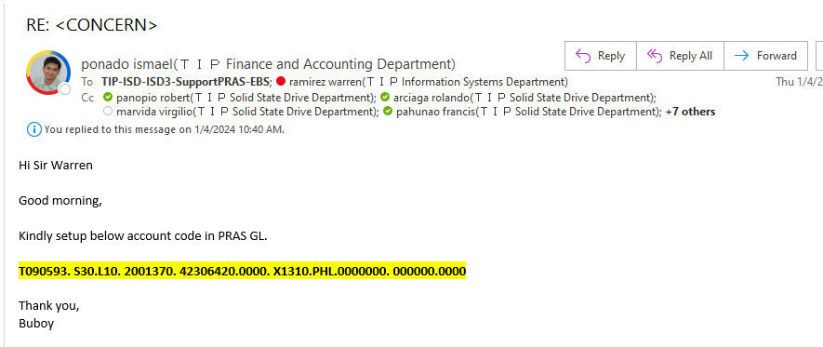

 |  |  |  | YOU WILL RECEIVE THIS KIND OF EMAIL

 |  |  |  | SETTING UP GL CODE MUST BE THROUGH EMAIL ONLY(WHEN PROBLEM OCCUR IT HAS DOCUMENTATION)

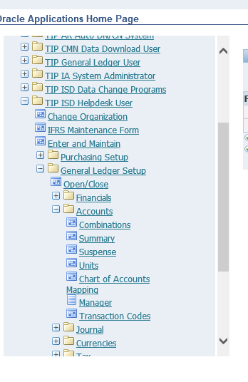

 |  | click combinations

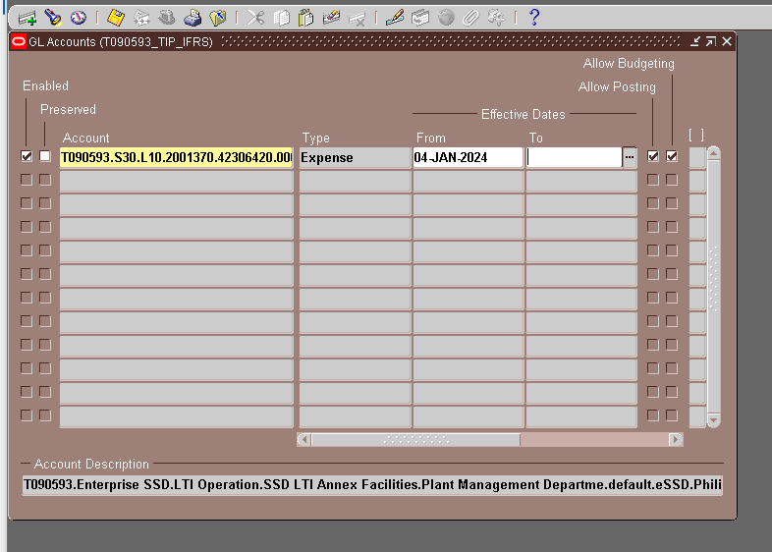

 |  |  | COPY AND PASTE THE CODE FROM EMAIL TO ACCOUNT COLUMN(MAKE SURE IT HAS NO SPACES)

 |  |  | CLICK ANYWHERE INSIDE PROGRAM

 |  |  | AFTER FEW SECONDS, THE "EXPENSE" SHOULD APPEAR ON TYPE COLUMN

 |  |  | ADD SYSDATE ON THE FROM COLUMN

THE CODE COMBINATION SHOULD APPEAR ON CODE COMBINATION WEB APP

 |  |  |  |  | SCREENSHOT THIS AND REPLY BACK TO SIR YOBUBS

